Screen Layout
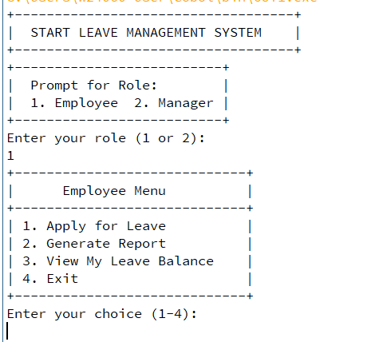
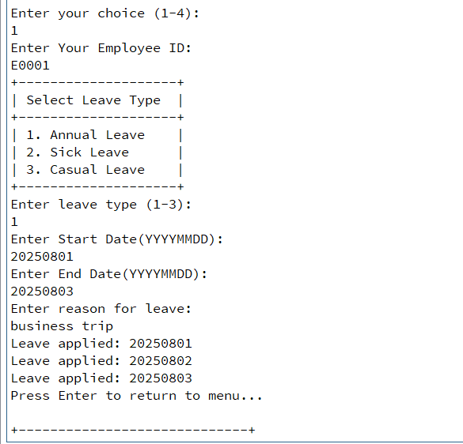
社員管理システム | 画面ID |  | 画面名 | Apply Leave
 | 作成日 | 2025/07/30 | 作成者 | TZO,MKZ,YYK,EPK,KZL
 | 改訂日 | 2025/07/31 | 改訂者 | YYK
Leave Management System | 備考

